Problem 3
 | Problem 3

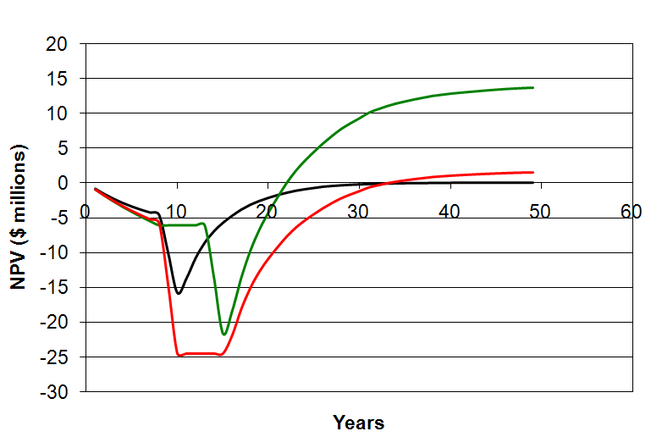

Black curve is when NPV(t) when discount = IRR

